Wheels
 |  |  | S = Standard Equipment A = Available -- (dashes) = Not Available D = ADI Available ■ = Included in Equipment Group □ = Included in Equipment Group but upgradeable * = Indicates availability of feature on multiple models.
 |  |  | 1: Equipment group available on 14C43 models. 2: Equipment group available on 14E43 models. 3: Equipment group available on 14G43 models. 4: Equipment group available on 14H43 models.
Orderable RPO Code | Ref. Only RPO Code | Wheels | Description | Work Truck 2WD 2WT1 | Work Truck 4WD 4WT1 | LT 4WD 4LT1 | Trail Boss 4WD 0TR2 | Z71 4WD 4Z73 | ZR2 4WD 4ZR4
NZN |  | 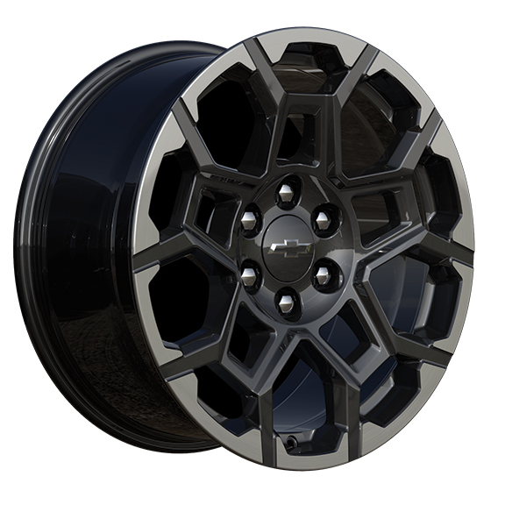 | NEW! Wheels, 20" x 9" (50.8 cm x 22.9 cm) Painted aluminum with machined face and Grazen Painted pockets 1. Requires (ZL4) Z71 Convenience Package III. | -- | -- | -- | -- | A1 | --
NZM |  | 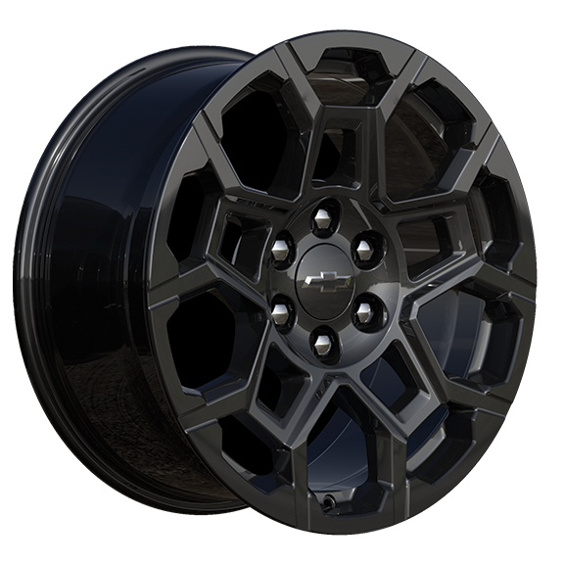 | NEW! Wheels, 20" x 9" (50.8 cm x 22.9 cm), High Gloss Black aluminum 1. Included with (WJP) Midnight Edition. | -- | -- | -- | A1 | -- | --
 | RD6 | 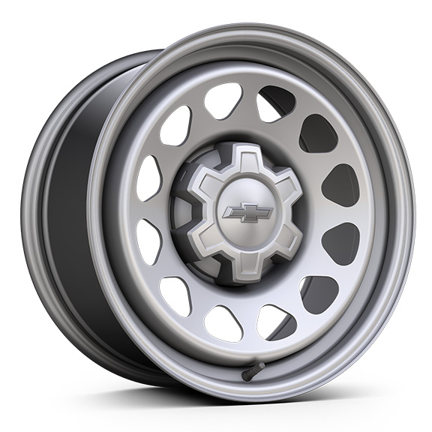 | Wheels, 17" X 8.0" (43.2 cm x 20.3 cm), Ultra Silver Metallic steel | S | S | -- | -- | -- | --
 | Q5W | 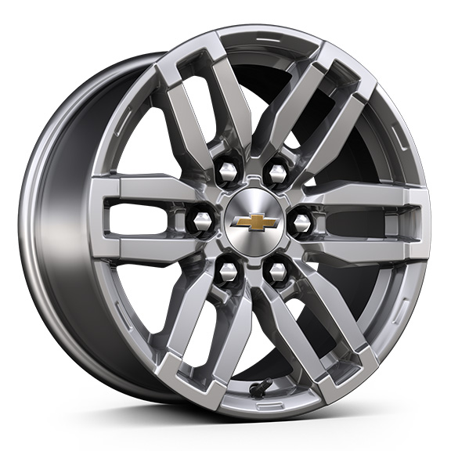 | Wheels, 17" x 8" (43.2 cm x 20.3 cm), Argent Metallic aluminum | -- | -- | S | -- | -- | --
 | PZX | 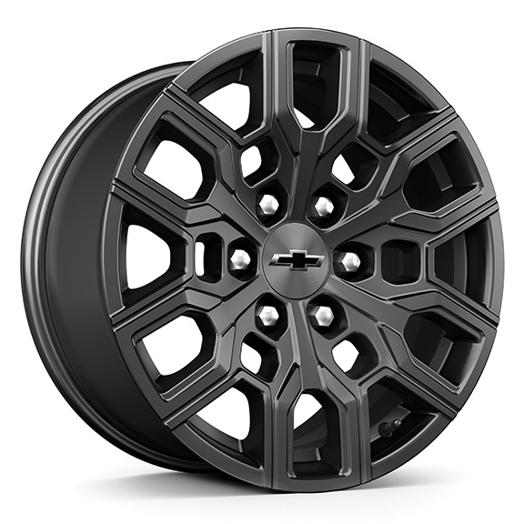 | Wheels, 18" X 8.5" (45.7 cm x 21.6 cm), High Gloss Black aluminum 1. Included and only available with (ST0) WT Custom Package. | A1 | A1 | -- | S | -- | --
 | PZI | 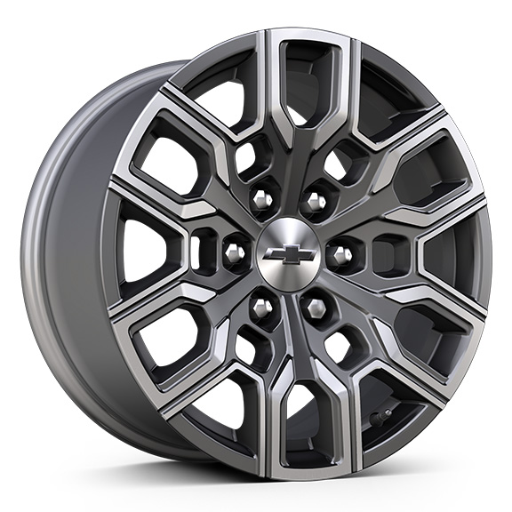 | Wheels, 18" X 8.5" (45.7 cm x 21.6 cm) Android Dark full gloss aluminum | -- | -- | -- | -- | S | --
 | R1U | 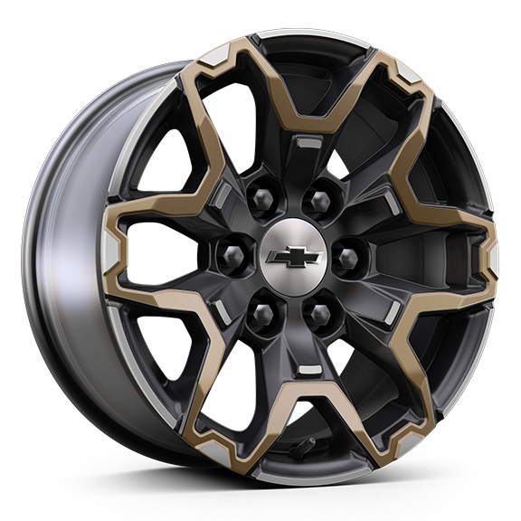 | Wheels, 17" X 8.0" (43.2 cm x 20.3 cm), Graphite and Oxide Gold aluminum | -- | -- | -- | -- | -- | S
 | REG | 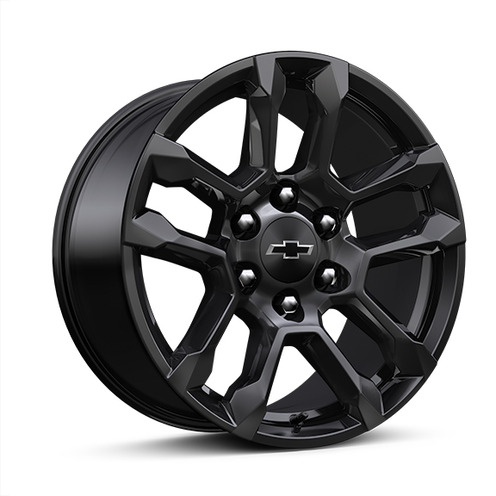 | Wheels, 18" x 8" (45.7 cm x 20.3 cm) High Gloss Black painted aluminum 1. Included and only available with (WJP) Midnight Edition. | -- | -- | -- | -- | A1 | --
 | RIG | 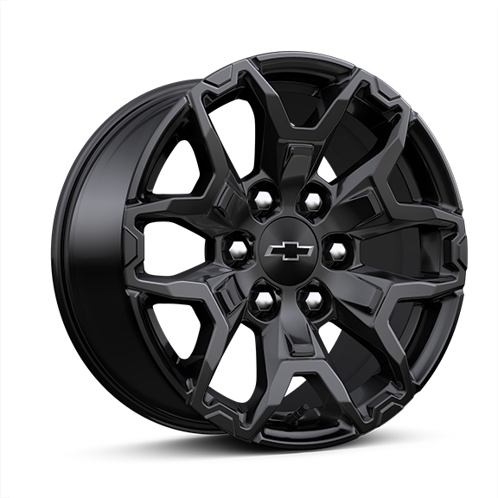 | Wheels, 17" x 8" (43.2 cm x 20.3 cm) High Gloss Black painted aluminum 1. Included and only available with (WJP) Midnight Edition. | -- | -- | -- | -- | -- | A1

